Simulation parameters
 |  |  | ENTSOG SJWS Auction Simulation

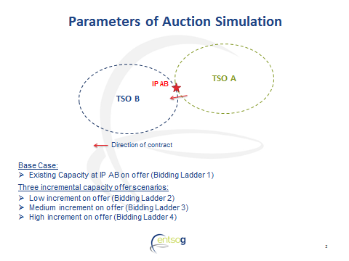

Bidding Ladder 1 | Base Case (no increment)

 |  | Year 1 | Year 2 | Year 3 | Year 4 | Year 5 | PVAR | N/A
 | Capacity on offer | 800 | 800 | 800 | 800 | 800 | F-Factor | N/A
 | Starting Price | 5 | 5 | 5 | 5 | 5 | Required PVUC | N/A

Bidding Ladder 2 | Low increment

 |  | Year 1 | Year 2 | Year 3 | Year 4 | Year 5 | PVAR | 3000
 | Capacity on offer | 800 | 800 | 1000 | 1000 | 1000 | F-Factor | 0.7
 | Starting Price | 5 | 5 | 5 | 5 | 5 | Required PVUC | 2100

Bidding Ladder 3 | Medium increment

 |  | Year 1 | Year 2 | Year 3 | Year 4 | Year 5 | PVAR | 5000
 | Capacity on offer | 800 | 800 | 1200 | 1200 | 1200 | F-Factor | 0.7
 | Starting Price | 5 | 5 | 5 | 5 | 5 | Required PVUC | 3500

Bidding Ladder 4 | High increment

 |  | Year 1 | Year 2 | Year 3 | Year 4 | Year 5 | PVAR | 7000
 | Capacity on offer | 800 | 800 | 1400 | 1400 | 1400 | F-Factor | 0.7
 | Starting Price | 5 | 5 | 5 | 5 | 5 | Required PVUC | 4900

