Assumptions
Note: this Excel tool is provided to help stakeholders understand the principles of the auction design set out in the draft CAM network code.
If you have any questions on this spreadsheet, please contact Heather Glass (heather.glass@entsog.eu)

To make the simulation managable

10 price steps considered
2 bundled IPs
4 consecutive quarterly products to be auctioned
3 bidding rounds (instead of 10)
Minimum Bid Quantity = 0 (to make pro rata easier)

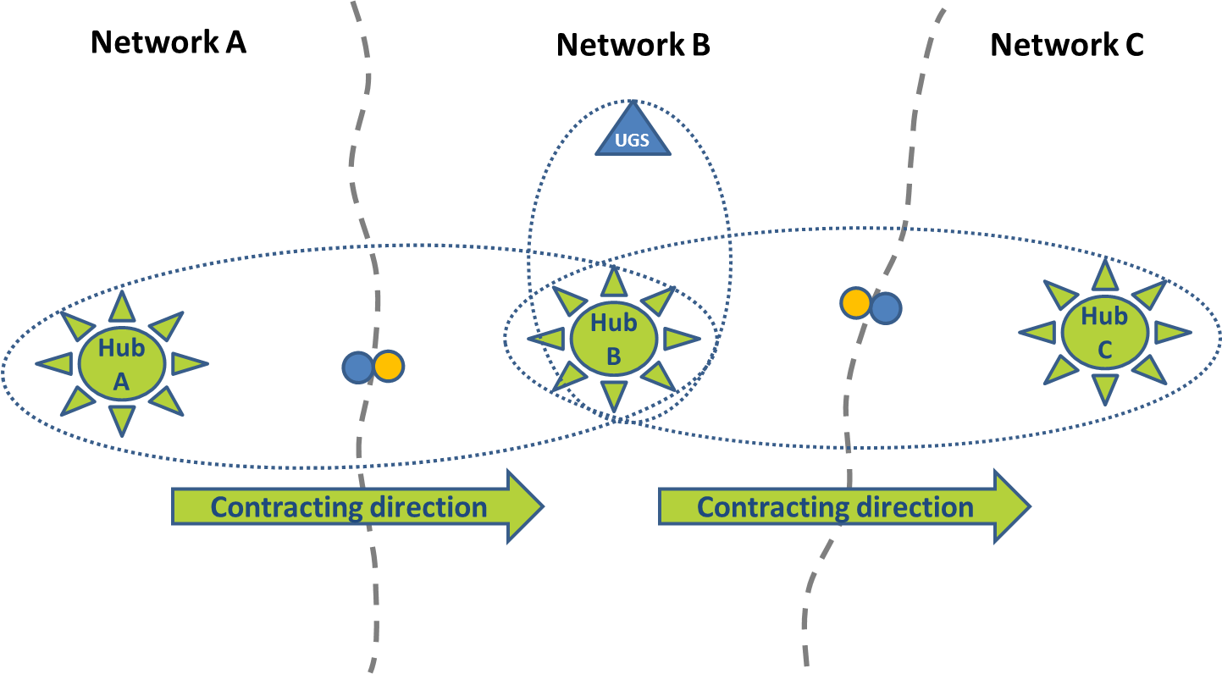

Instructions:
Change the quantity of capacity available, reserve price and price increment for each IP and each quarter in the 'Parameters' sheet, if desired
Enter bid quantities against the relevant price steps in the sheets S1 to S8 (representing different shippers)
The quantity bid at one price step (P0 to P9) must be lower than or equal to the quantity bid at the next lowest price step
The maximum bid quantity at any price step is the total capacity available
The sheet 'Individual shippers + allocations' displays the amounts bid by each shipper, and shows what the clearing price and capacity allocations would be if the auction closed at that point.

