COVER
Annex A - UGS WGV, Injection and Withdrawal
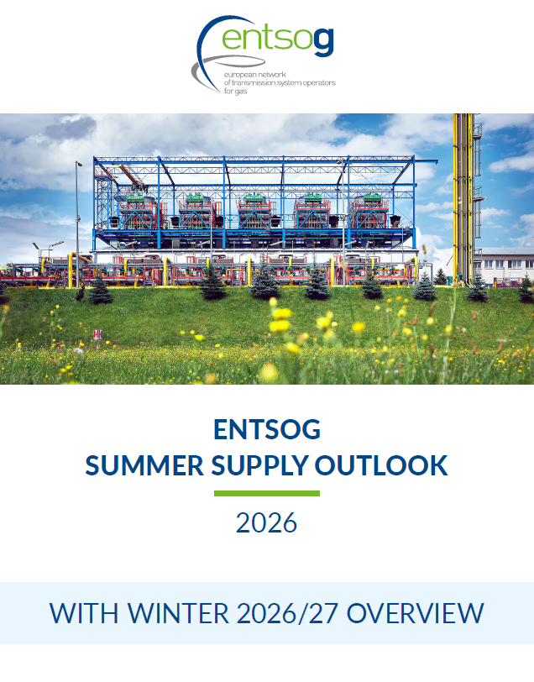

WGV
Country | WGV, GWh | Gas in storage | Full, % | For the modelling of the different scenarios, the Summer Supply Outlook 2026 considers the storage inventory level per country on 1 April 2026 as the initial situation. The gas in storage for each country is based on the AGSI+ platform. The relative filling level has been calculated using the Working Gas Volume and gas in the storage from the AGSI+ platform.
Austria | 100,791 | 31,937 | 31.7%
Belgium | 8,980 | 1,946 | 21.7%
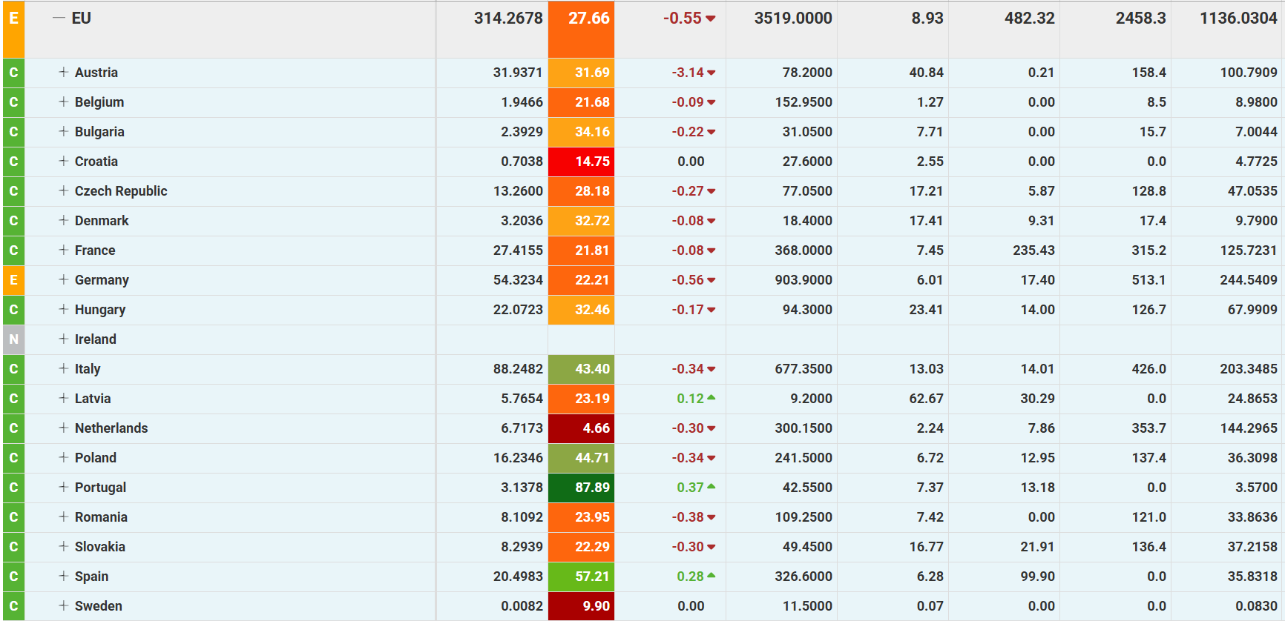
Bulgaria | 7,004 | 2,393 | 34.2%
Croatia | 4,773 | 704 | 14.8%
Czechia | 47,053 | 13,260 | 28.2%
Denmark | 9,790 | 3,204 | 32.7%
France | 125,723 | 27,416 | 21.8%
Germany (H) | 241,498 | 52,665 | 21.8%
Germany (L) | 5,873 | 2,061 | 35.1%
Hungary | 67,991 | 22,072 | 32.5%
Italy | 203,348 | 88,248 | 43.4%
Latvia | 24,865 | 5,765 | 23.2%
Netherlands | 141,466 | 6,439 | 4.6%
Poland | 36,309 | 16,235 | 44.7%
Portugal | 3,570 | 3,138 | 87.9%
Romania | 33,864 | 8,109 | 23.9%
Slovakia | 37,216 | 8,294 | 22.3%
Spain | 35,832 | 20,498 | 57.2%
Sweden | 83 | 8 | 9.9%

Total | 1,136,029 | 314,393 | 27.7%
Serbia | 4,100 | 2,000 | 48.8%
Ukraine | 106,400 | 0 | 0.0%
United Kingdom | 39,017 | 9,598 | 24.6%

